SALARY CALCULATOR
10TH PAYOUT | (16-31 CUTOFF)
SCHEDULES | CUT OFF PAY | NIGHT DIFF & ALLOW | NO. OF DAYS | TOTAL PER SCHED | TOTAL |  | Regular Overtime |  |  | *you can check your per day rate in your payslip and divide into 8hrs to get the hourly rate
1 | 9750.00 | 350.00 | 7 | 2450.00 | 12200.00 |  | Hourly Rate | 125% | BASIC OT
2 |  | 725.00 | 3 | 2175.00 | 2175.00 |  | 121.875 | 125% | 152.34
3 |  |  | 0 | 0.00 | 0.00
DEDUCTIONS 10TH | AMOUNT | ADDITIONS | AMOUNT | TOTAL | 14375.00
PAGIBIG LOAN | 0.00 | DE MINIMIS | 0.00 | ADDITIONS | 0.00 |  | Rest Day Pay |  |  | *you can check your per day rate in your payslip
TAXES 10TH | 550.09 | FITNESS INCENTIVE | 0.00 | DEDUCTIONS | 550.09 |  | Daily Rate | 130% | RD PAY
TARDINESS | 0.00 | ADJUSTMENTS | 0.00 | TOTAL PAY 10TH | ₱13,824.91 |  | 975 | 130% | 1,267.50
ABSENCES | 0.00 | OT | RDOT | HOL | 0.00 | SALARY RECEIVED | ₱18,311.12
WORK FROM HOME | 0.00 | TOTAL | 0.00 | DISPUTE | -₱4,486.21 |  | Special Holiday Pay |  |  | *you can check your per day rate in your payslip
TOTAL | 550.09 |  |  |  |  |  | Daily Rate | 30% | SH PAY
 |  |  |  |  |  |  | 975 | 30% | 292.50

25TH PAYOUT (1-15 CUTOFF) |  |  |  |  |  |  | Regular Holiday Pay |  |  | *you can check your per day rate in your payslip
SCHEDULES | CUT OFF PAY | NIGHT DIFF & ALLOW | NO. OF DAYS | TOTAL PER SCHED | TOTAL |  | Daily Rate | 100% | RH PAY
1 | 9750.00 | 350.00 | 11 | 3850.00 | 13600.00 |  | 975 | 100% | 975.00
2 |  |  | 0 | 0.00 | 0.00
3 |  |  | 0 | 0.00 | 0.00
4 |  |  | 0 | 0.00 | 0.00
DEDUCTIONS 25TH | AMOUNT | ADDITIONS | AMOUNT | TOTAL | 13600.00
SSS | 1200.00 | OT | RDOT | HOL | 0.00 | ADDITIONS | 0.00
PHL HEALTH | 728.75 | TOTAL | 0.00 | DEDUCTIONS | 2698.94
PAGIBIG (HDMF) | 200.00 |  |  | TOTAL PAY 25TH | ₱10,901.06
TAXES 25TH | 570.19 |  |  | SALARY RECEIVED | ₱18,311.12
TARDINESS | 0.00 |  |  | DISPUTE | -₱7,410.06
ABSENCES | 0.00
WORK FROM HOME | 0.00
TOTAL | 2698.94
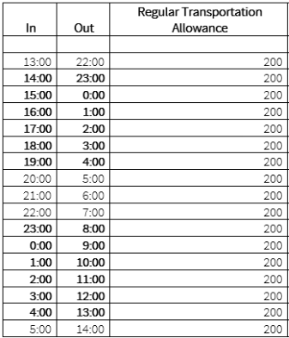
EMPLOYEES WITHOUT PREMIUM ALLOWANCE
TIME (MNL LT) | NDIFF PER HOUR | HOURS | NDIFF VALUE | REG ALLOW | TOTAL
13:00:00 | 75 | 0 | 0 | 200 | 200
14:00:00 | 75 | 1 | 75 | 200 | 275
15:00:00 | 75 | 2 | 150 | 200 | 350
16:00:00 | 75 | 3 | 225 | 200 | 425
17:00:00 | 75 | 4 | 300 | 200 | 500
18:00:00 | 75 | 4 | 300 | 200 | 500
19:00:00 | 75 | 5 | 375 | 200 | 575
20:00:00 | 75 | 6 | 450 | 200 | 650
21:00:00 | 75 | 7 | 525 | 200 | 725
22:00:00 | 75 | 7 | 525 | 200 | 725
23:00:00 | 75 | 6 | 450 | 200 | 650
1900-01-01 00:00:00 | 75 | 5 | 375 | 200 | 575
1900-01-01 01:00:00 | 75 | 4 | 300 | 200 | 500
1900-01-01 02:00:00 | 75 | 4 | 300 | 200 | 500

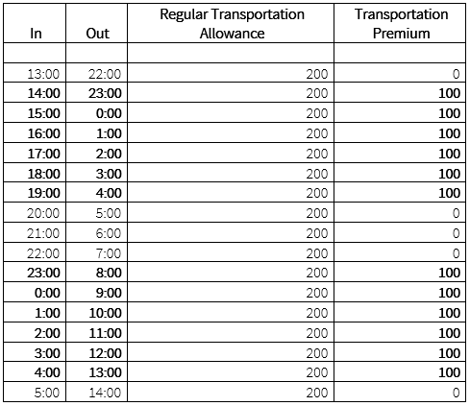
EMPLOYEES WITH PREMIUM ALLOWANCE
TIME (MNL LT) | NDIFF PER HOUR | HOURS | NDIFF VALUE | REG ALLOW | PREM | TOTAL
13:00:00 | 75 | 0 | 0 | 200 | 0 | 200
14:00:00 | 75 | 1 | 75 | 200 | 100 | 375
15:00:00 | 75 | 2 | 150 | 200 | 100 | 450
16:00:00 | 75 | 3 | 225 | 200 | 100 | 525
17:00:00 | 75 | 4 | 300 | 200 | 100 | 600
18:00:00 | 75 | 4 | 300 | 200 | 100 | 600
19:00:00 | 75 | 5 | 375 | 200 | 100 | 675
20:00:00 | 75 | 6 | 450 | 200 | 0 | 650
21:00:00 | 75 | 7 | 525 | 200 | 0 | 725
22:00:00 | 75 | 7 | 525 | 200 | 0 | 725
23:00:00 | 75 | 6 | 450 | 200 | 100 | 750
1900-01-01 00:00:00 | 75 | 5 | 375 | 200 | 100 | 675
1900-01-01 01:00:00 | 75 | 4 | 300 | 200 | 100 | 600
1900-01-01 02:00:00 | 75 | 4 | 300 | 200 | 100 | 600

